Cover
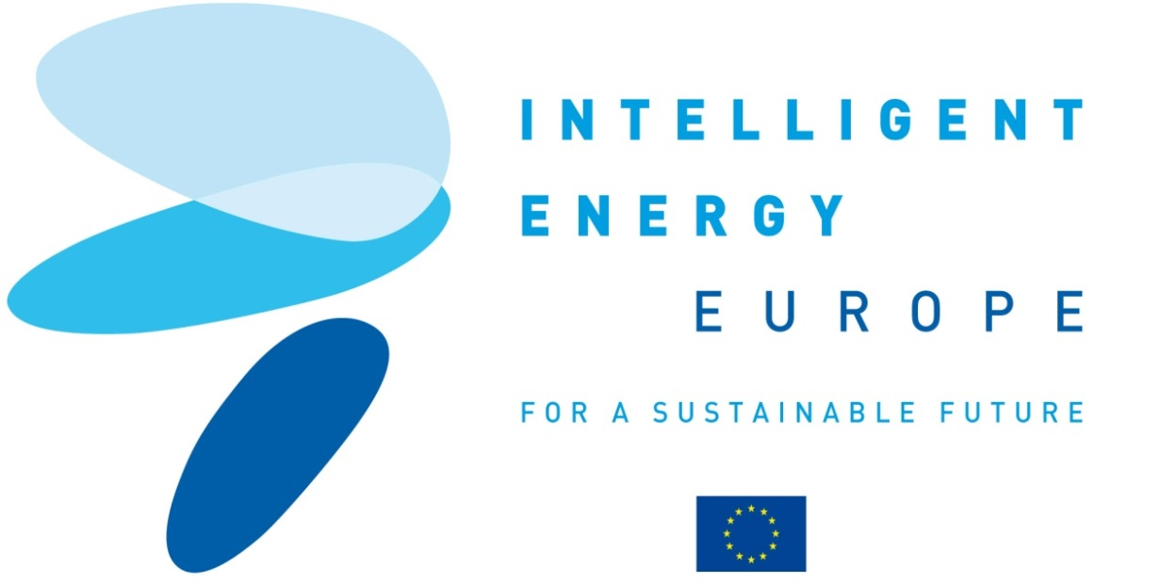
The European platform for green building practitioners

CONSTRUCTION 21

C21

 | Dissemination
D4.2 meetings held or co-sponsored side events
D8.1 Reports and releases on "hot topics" local networks meetings and large-co-sponsored gatherings D8.9 C21 speakers bureau at European and international industry and target groups meetings

Contract N°: IEE/10/184/SI2.589410

Duration : 24 months

Coordinator contact:
Cedric Borel
IFPEB
cedric.borel@ifpeb.fr
+33 9 82 53 49 06

